1. Title Page
Instacart Grocery Analysis

Project Name:
Instacart Analysis Final Project
Analyst Name:
Claudia Lan Yee Chiu
Date: 11. 09. 2023

Contents:
Population Flow
Consistency checks
Wrangling steps
Column derivations
Visualizations
Recommendations

Data Source:

Citation: ' The Instacart Online Grocery Shopping Dataset 2017', accessed via https://www.instacart.com/datasets/grocery-shopping-2017 on 11/09/2023

2. Population Flow
Title page

Population flow

Exclusion flag
Condition: max_order < 5
Obervations to be removed: 1,440,295
Final total count of order_products_all: 30,964,564

Orders_products_combined
Orders_products_merged
Orders_products_all

Total: 32,404,859
Total: 32,435,059
Total: 30,964,564

1.) The grey boxes in the first row of the population flow represent the original data sets as they were when you downloaded them. In the Total fields you need to add the count of the rows when you imported the data set into Jupyter.
2.) The second row of boxes (coloured) represents the data sets after you manipulated them, e.g., removed missing values and duplicates. In the Total fields you need to add the count of the rows after conducting these operations. This offers a visual oveview of how the data flows throughout the data consistency checks.
3.) The third row, where also the arrows are coloured, represents the merges you performed between the datasets. In the Total fields you need to add the count of the rows in the merged datasets, so that you end up with the final dataset (in the red box). Keep in mind the final dataset should be without exclusions (based on the exclusion flag).

3. Consistency checks
 |  |  |  | Title page
Consistency checks

Dataset | Missing values | Missing values treatment | Duplicates
orders | 206209 null values in 'days_since_prior_order' column | No treatment applied. The NaN values indicate the first order of new customers | No duplicate values
products | 16 null values in ' product_name' column | Removed the rows with null values in the 'product_name' column. There is no possiblity of deriving the product name from the other associated columns, hence these rows are not helpful for the analysis | 5 full duplicate rows round and removed
orders_products_prior | None | Nothing to be done | None
customers | 11259 values in 'first_name' column | Replaced by 'Unknown' | None

4. Wrangling steps
 |  |  |  | Title page
Wrangling steps

Columns dropped | Columns renamed | Columns' type changed | Comment/Reason
 | Column 'order_dow' was renamed to 'orders_day_of_week' | user_id: changed to str
_merged' after merging df_prods and df_ords_prods_combined
Unnamed: 0_x' after merging df_prods and df_ords_prods_combined
Unnamed: 0_y' after merging df_prods and df_ords_prods_combined
'first_name' |  |  | PII Data
'last_name' |  |  | PII Data
 | Unnamed: 0 to department_id

5. Column derivations
 |  |  |  | Title page

Column derivations and aggregations

In this tab you should add tables below that the frequences of flags/label variables that you produced after deriving them. NB: don't do this for continuous variables, only for flags.
Dataset | New column | Column/s it was derived from | Conditions
df_ords_prods_merged | busiest_day | orders_day_of_week | To determine the highest to lowest frequency days of orders per week: Saturday =busiest; Wednesday=least busy; rest of the week=regularly busy.
df_ords_prods_merged | Busiest_days | orders_day_of_week | To determine the two busiest and two slowest days of the week: Saturday & Sunday = Busiest days Wednesday & Tuesday = Slowest days Rest of the week=Normal days.
df_ords_prods_merged | busiest_period_of_day | order_hour_of_day | The request was to have 3 periods of time, hence I need divided the 24 entries (ie hours) into 3 labels of 8 values as such: “Most orders” (10,11,14,15,13,12,16,9), “Average orders” (17,8,18,19,20,7,21,22), and “Fewest orders” (23,6,0,1,5,2,4,3)
df_ords_prods_merge | average_price | 'user_id' and 'prices' | groupby was used to create this new column, and the mean was derived from numpy
df_ords_prods_merge | spending_flag | average_price | If average_price is below 10, then assign the label 'Low Spender' to it For 'average_price' of 10 or more, assign label 'High spender'
df_ords_prods_merge | median_prior_order | 'user_id' and 'days_since_prior_order' | groupby was used to create this new column, and the mean was derived from numpy
df_ords_prods_merge | frequency_flag | median_prior_order | If median_prior_order is more than 20, then assign the label 'Non-frequent customer' to it If value is more than 10 but less or equal 20, then assign label 'Regular customer' Any median_prior_order less or equal 10 gets the label 'Frequent customer' assigned
df_opc_nonames | region | state | First defined four geographical regions of the US according to Wikipedia. Then assigned the states to the newly defined regions
df_opc_nonames | activity_flag | max_order | If activity_flag has a value under 5, then classify as 'low activity customer'. For a value of 5 or more, give the label 'high activity customer'
df_high_act | age_group | age | Defined a condition for four different types of age groups as follows: Young Adult = Age is 18 or more but less than 35 Middle-Aged Adult = Age is 35 and more but less than 50 Old Adult=age is 50 and above but less than 65 Senior= age is above 65
df_high_act | income_flag | income | The new column has following condition: Low-income = under 60000 Middle-income = 60000 and more but less than 150000 High-income = above 150000
df_high_customer_depts | pet_ownership | department | Using the loc function, pull all rows that have 'pets' under 'department' and assign label 'pet owner'. If not found, label 'non-pet owner'
df_high_customer_depts | baby_at_home | department | Using the loc function, pull all rows that have 'babies' under 'department' and assign label 'baby'. If not found, label 'no baby'
df_high_customer_depts | household_status |  | If family_status is single, divorced/widowed, living wth parents and siblings AND age_group=Young adult, AND number_of_dependants is 0, label: Single Young Adult If family_status is single, divorced/widowed, living wth parents and siblings AND age_group=Young adult, AND number_of_dependants is 1 or more, label: Single Young Adult with family members If family_status is single, divorced/widowed, living wth parents and siblings AND age_group=Middle-Aged adult, AND number_of_dependants is 0, label: Single Middle-Aged Adult If family_status is single, divorced/widowed, living wth parents and siblings AND age_group=MIddle-Aged adult, AND number_of_dependants is 1 or more, label: Single Middled-Aged Adult with Family members Same conditions assigned to Single Old Adult, Single Senior If family_status is married AND age_group=Young adult, AND number_of_dependants is 0, label: Married Young Adult with NO Family members If family_status is married AND age_group=Young adult, AND number_of_dependants is 1 or more, label: Married Young Adult with Family members Same condition applied for Married Middle-Aged Adult, Married Old Adult, Married Senior

6. Visualizations
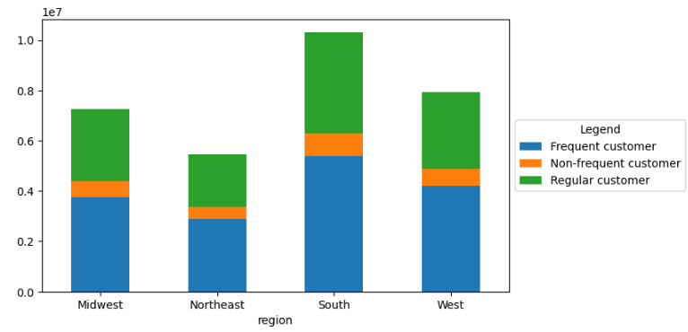
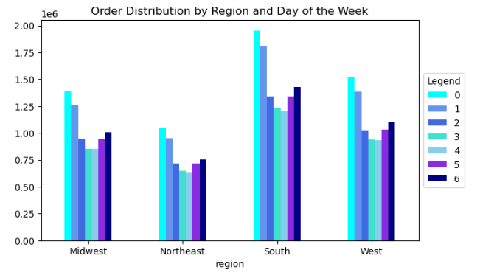
 |  |  |  |  |  | Title page

Visualisations

In this tab you should include all the visualtions from Exercises 4.9 and 4.10, alongside the questions from the project brief that they answer. Include any commentary on the relationship between different variables.

4.9 Step 3: Provide the Instacart senior stakeholders with descriptive findings about sales: Create a histogram of the “order_hour_of_day” column

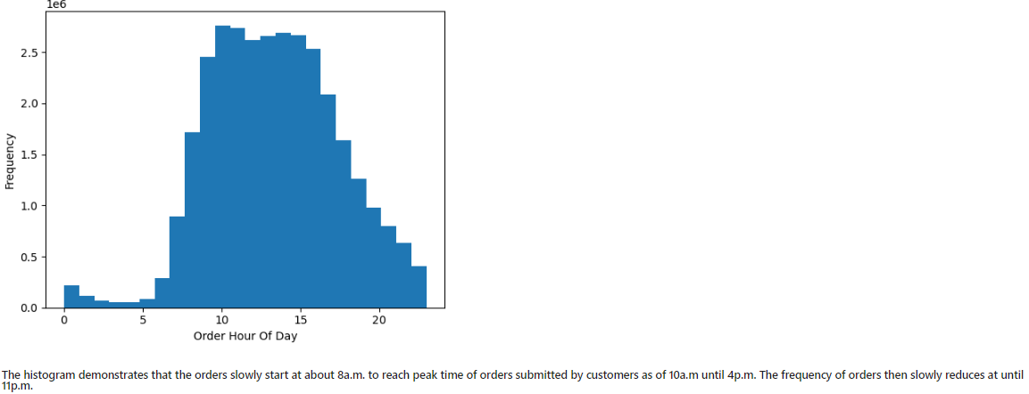

4.9 Step 4: The marketing team is curious about the distribution of orders among customers in terms of loyalty. Create a bar chart from the “loyalty_flag” column
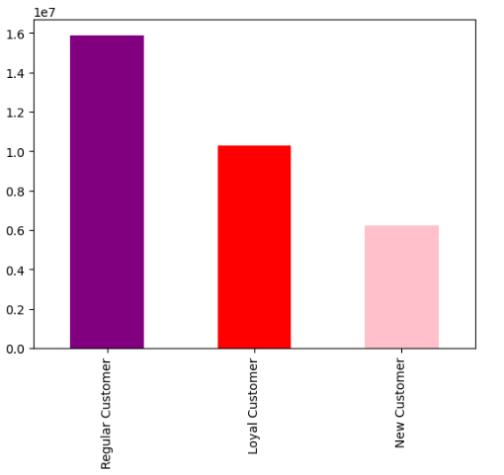

4.9 Step 5: Check whether there’s a difference in expenditure (the “prices” column) depending on the hour of the day. (Hint: To check this, you need to use an accurate sample for your line chart!)
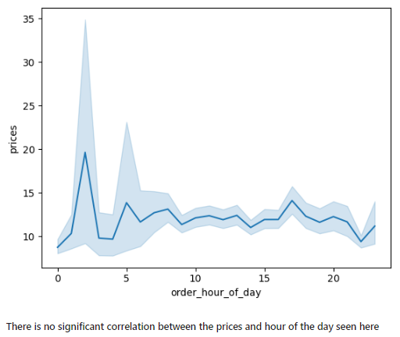

4.9 Step 6: Determine whether there’s a connection between age and family situation by creating a line chart exploring the connections between age and number of dependents
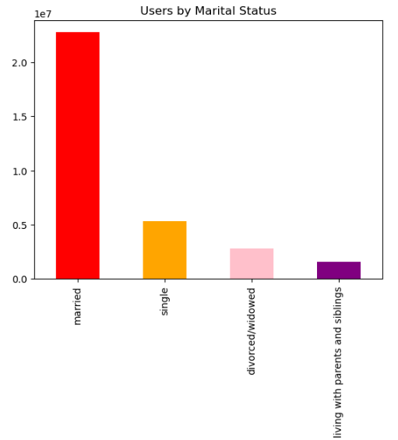
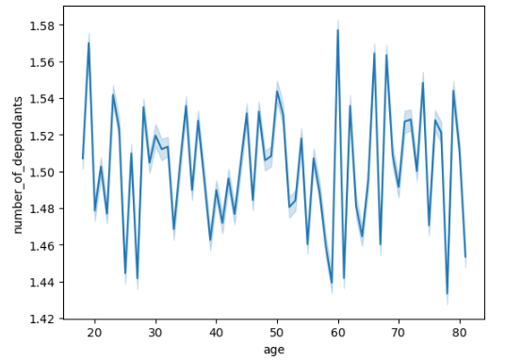

4.9 Step 7: Explore whether there’s a connection between age and spending power (income). To visualize this relationship, create a scatterplot using the sns.scatterplot() function
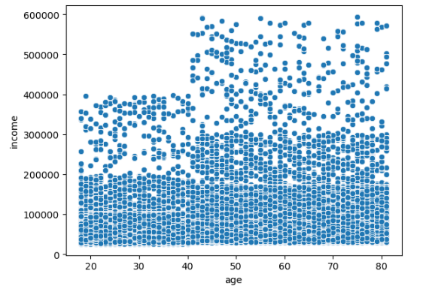

4.10 3c. Determine the spending habits between the different U.S. regions
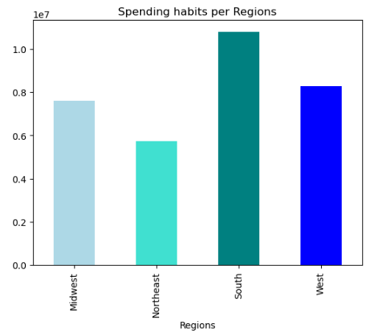

4.10 Step 6. Create an appropriate visualization to show the distribution of profiles

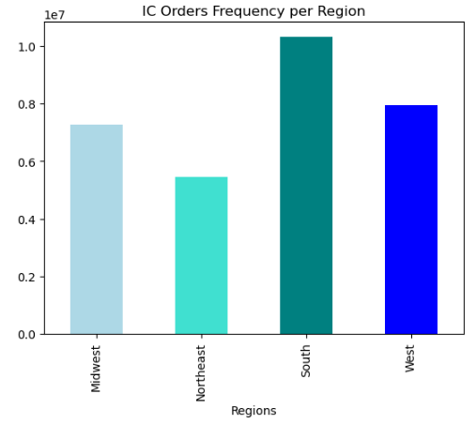
6.1 Bar Chart for IC Orders Frequency per Region | 6.2 Bar Chart for IC Customers per Region |  |  |  | 6.3 Bar Chart showing Number off Dependents of IC Customers |  |  |  | 6.4 Bar Chart of IC Customers per Income
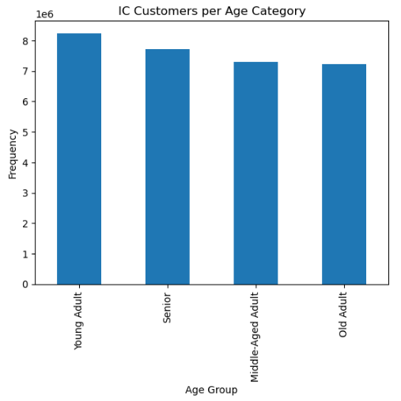
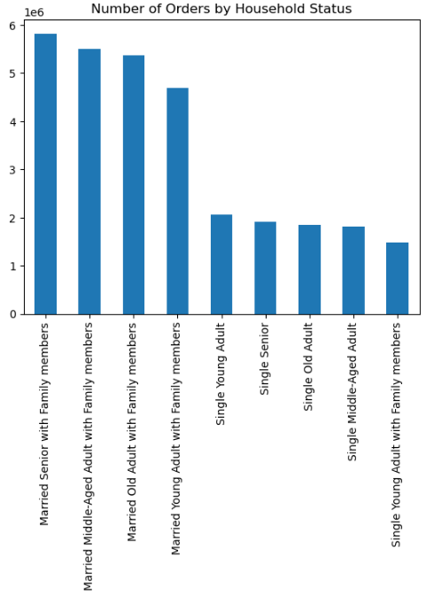
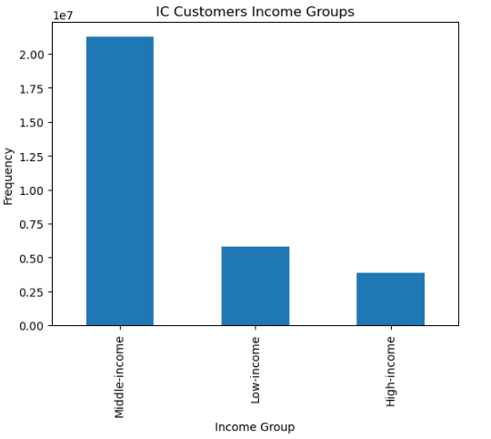

6.5 Bar Chart of IC Product distribution |  |  | 6.6 Bar Chart showing IC Customers with Babies |  |  |  | 6.7 Bar Chart of IC Customers with Pets |  |  | 6.8 Pie Chart of the Household distribution of IC Customers
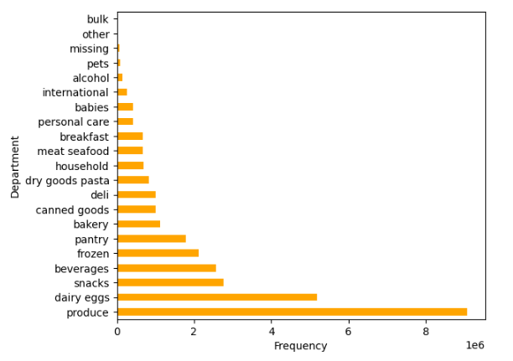
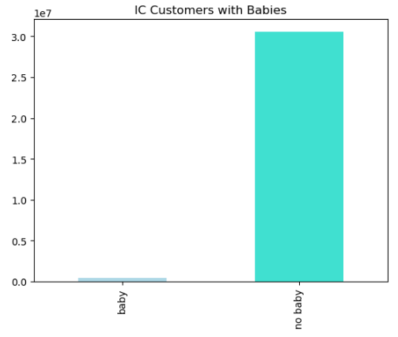
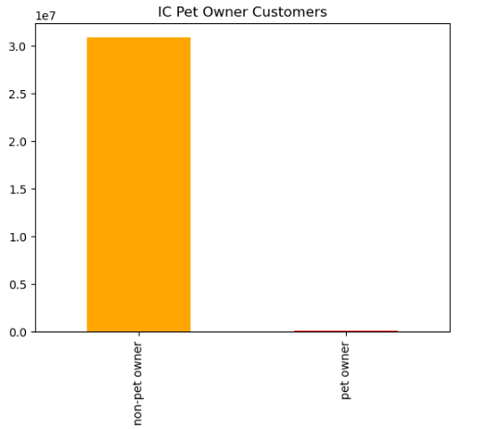
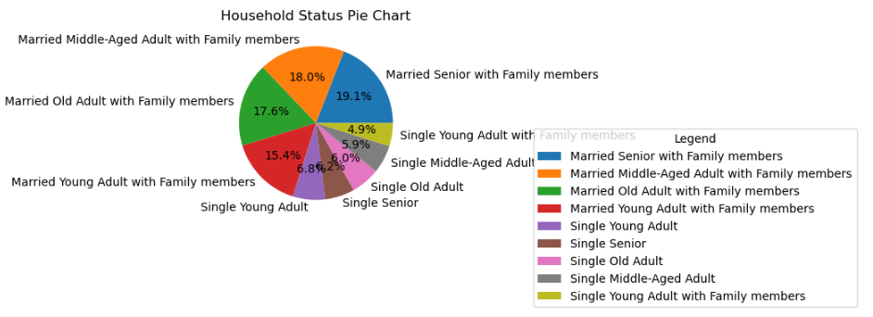

6.9 Bar Chart showing the orders per day of the week by Age Group
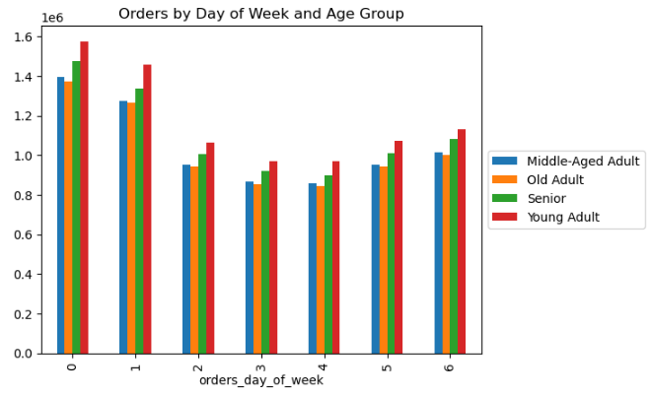

8. Compare customer profiles with regions and departments. Identify links between them

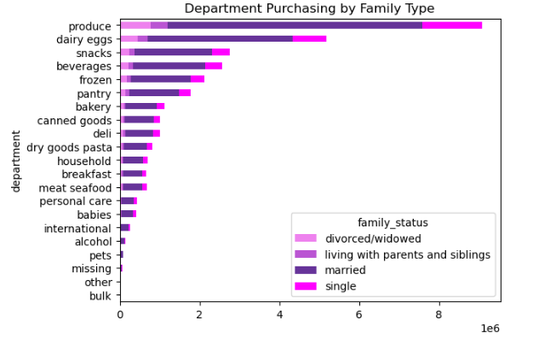
8.1 Department Purchases by Income group |  | 8.2 Department Purchases by Age group |  |  |  |  | 8.3 Department Purchases by Family Status |  |  |  | 8.4 Department Purchases by Household Status
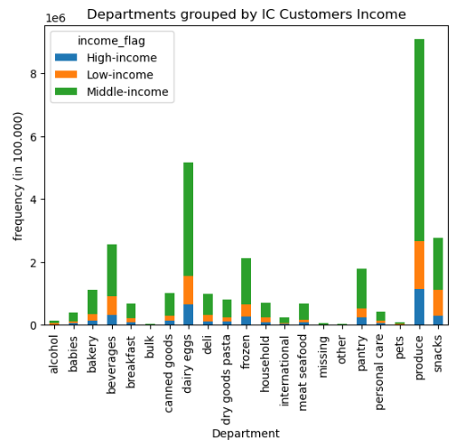
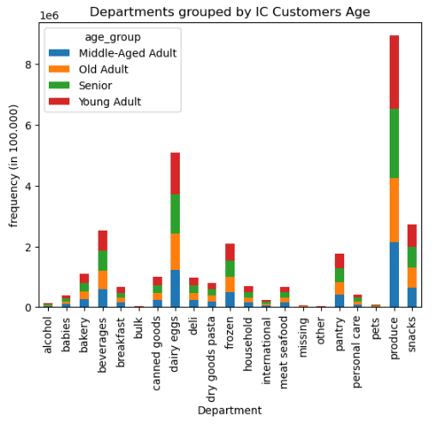
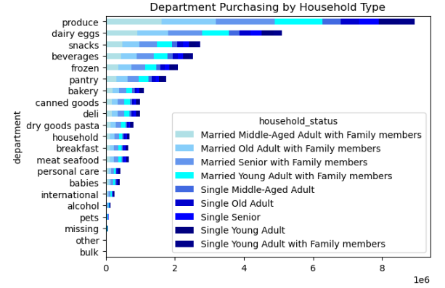

8.5 Department Purchases by Region |  |  | 8.6 IC Customer Household status by Region |  |  |  |  | 8.7 IC Customer Frequency Flag by Region
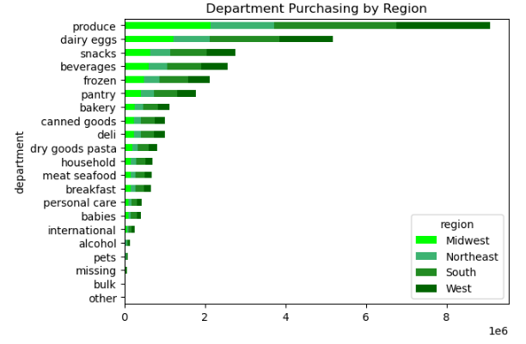
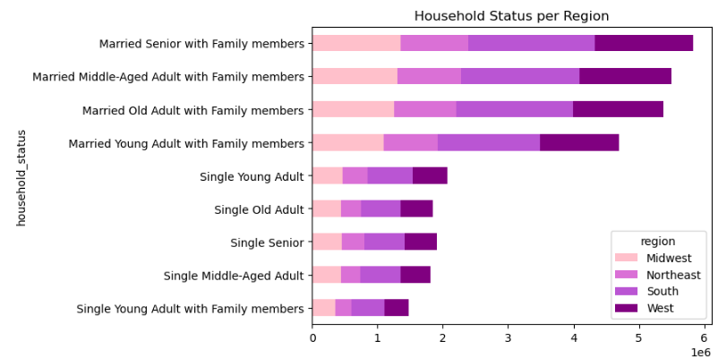


8.8 IC Customer Loyalty Flag by Region |  |  |  | 8.9 Busiest Day of the week per Region

7. Recommendations
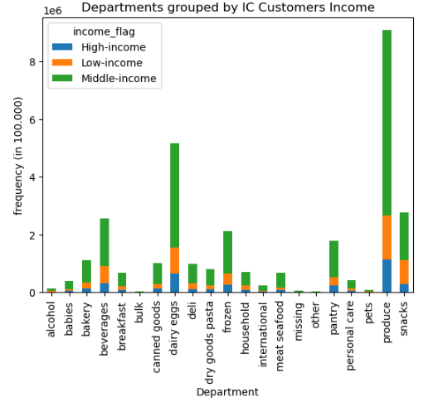
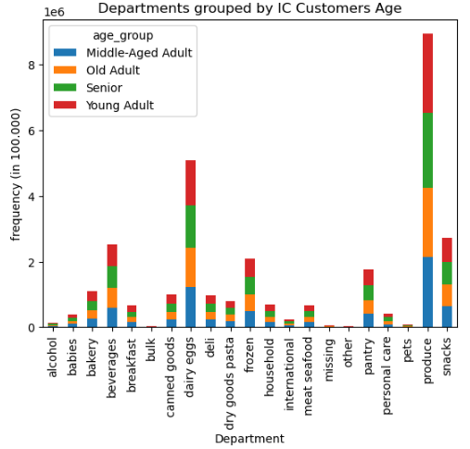
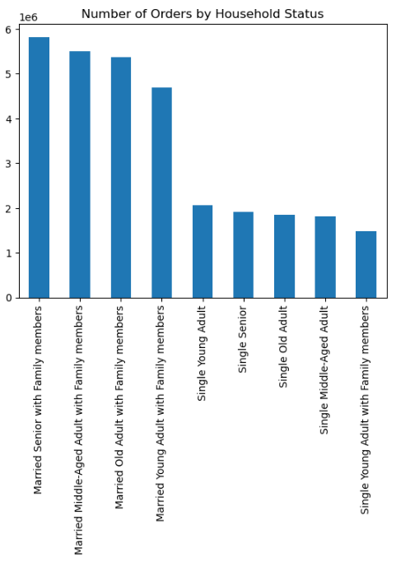
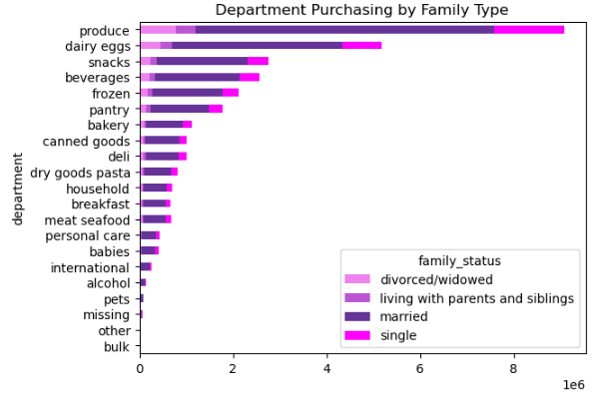
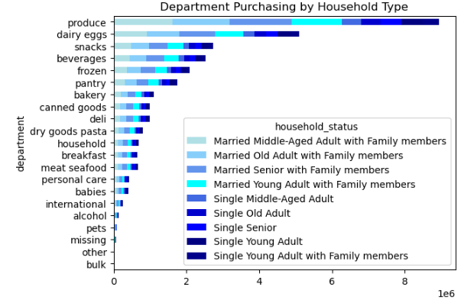
 |  |  |  |  | Title page

Recommendations

In this tab you should include any recommendations you would made to Instcart in terms of their marketing strategy based on the questions posed in the brief. Every key question has been covered in the Tasks of the Exercises - here you need to add an item - a visualisation or table/crosstable that is showing the answer in the data, acompanied by a comment from you. Please, list the questions below and add the answer underneath.



Question |  |  | Answer | Recommendation(s)
Key Question 1 | What are the busiest days of the week and hours of the day (i.e., the days and times with the most orders) - in order to schedule ads at times when there are fewer orders. |  | Saturday and Sunday are the busiest days of the week as opposed to Tuesdays and Wednesdays which are the slowest days. Peak times of most orders are 10a.m, 11a.m, 2p.m, 3p.m. The fewest orders take place at 3a.m., 4 a.m, 2a.m. | Considering that Tuesday and Wednesday from 9 pm to 5 am experience lower order volumes, it may be a strategic move to schedule additional ad campaigns during these time slots to potentially reach a more receptive audience.

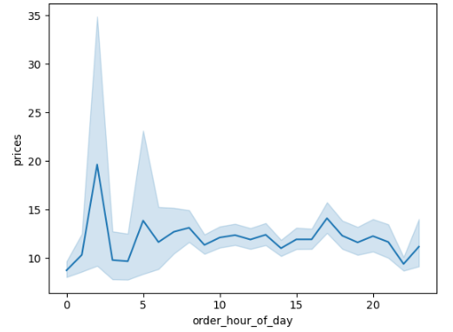
Question |  |  | Answer | Recommendation(s)
Key Question 2 | Are there particular times of the day when people spend the most money, as this might inform the type of products they advertise at these times? |  | While it might seem that the busiest hours of the day are between 10 AM and 4 PM, the assumption that people spend most money reveals to be incorrect. An analysis of the prices/order hours of the day line chart reveals that items bought during this period are relatively inexpensive compared to those sold between midnight and 5 AM. Despite the lower volume of sales during the early morning hours, the items being purchased are relatively high in price. | Schedule more advertising to run on Mondays to Fridays at hours outside of 10am - 4 pm Run specials or provide discounts for orders placed on weekdays, or for orders placed before 10a.m For further investigation: To which category do the goods purchased between midnight and 5a.m. belong to? And which category is most sold between 10a.m. and 4p.m.

Question |  |  | Answer | Recommendation(s)
Key Question 3 | Instacart has a lot of products with different price tags. Marketing and sales want to use simpler price range groupings to help direct their efforts. |  | The majority of items are priced below $15 (approx 99%). To simplify the price range grouping, prices have been grouped in three categories: Low range: $5 and below Middle range: Above $5 but below $15 High range: Above $15 | Deeper analysis of most bought high priced articles should be conducted in order to provide targetted ads accordingly to promote their sales even more. Also conduct a survey to find the most bought mid priced products by customers: use as recommendation within the time customers buy high priced products (early morning as seen above) to further increase their sales.
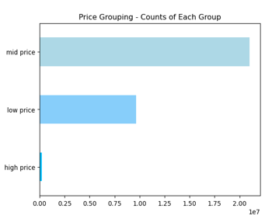
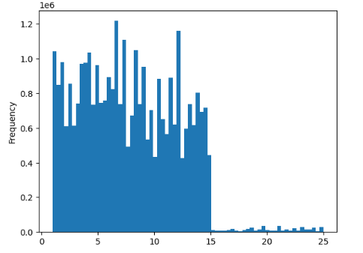

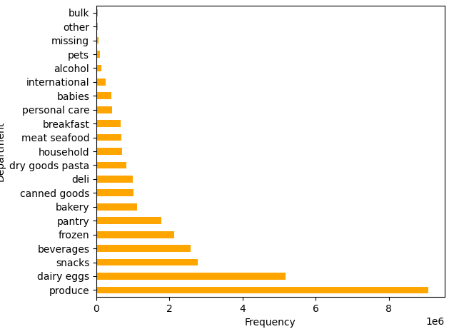
Question |  |  | Answer | Recommendation(s)
Key Question 4 | Are there certain types of products that are more popular than others? The marketing and sales teams want to know which departments have the highest frequency of product orders. |  | The top-selling products are predominantly in the "Produce" category, making it the most successful category in terms of sales. Dairy eggs and snacks are the next best selling products, with beverages almost same as the snacks sold. | With goods in categories bulk, other, pets, alcohol, international being at the very bottom of the selling list, it would be advisable to consider increased marketing (as permitted by the advertisement policy since alcohol publicity for instance, is not allowed in certain regions).
 |  |  |  | Targeting ads specifically for babies and pets, even when they might appeal to a relatively small subset of the overall customer base, can be a strategic move. The primary goal is to enhance brand awareness and foster loyalty among customers who frequently utilize these particular departments. By doing so, you aim to stimulate more orders and, in the long run, attract additional customers through effective advertising in these niche segments. This focused approach can build stronger connections with your existing customer base while potentially expanding your reach within these specialized markets.

Question |  |  | Answer | Recommendation(s)
Key Question 5a | What`s the distribution among users in regards to their brand loyalty (ie how often do they return to Instacart? |  | Loyalty Group Distribution: Regular customer 51% Loyal customer 33% New customer 16% | New customers are the least likely to frequently use Instacart. Change 'Regular' customers to 'Loyal' customers, as currently 51% of customers are 'Regular' but 'Loyal' ones order frequently.
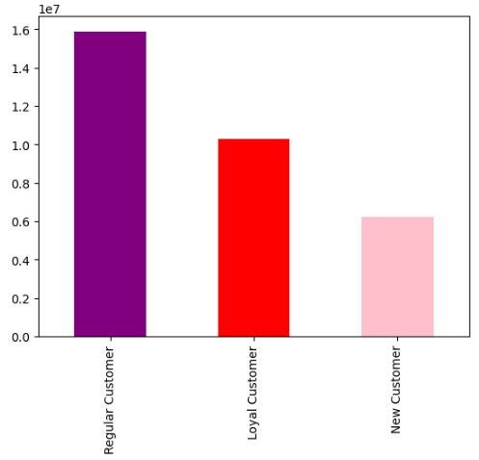
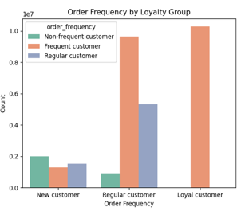
 |  |  |  | For further investigation:
 |  |  |  | Which strategy to be used to change 'Regular' customers to 'Loyal' ones?
 |  |  |  | What factors correlate with a customer's transition form a 'New Customer' to a 'Loyal Customer' over time?

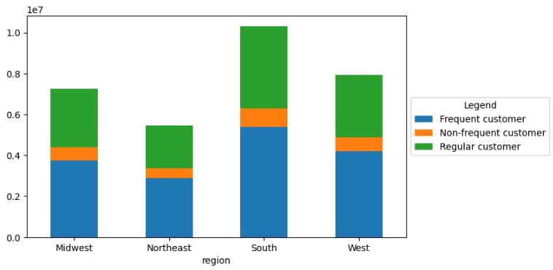
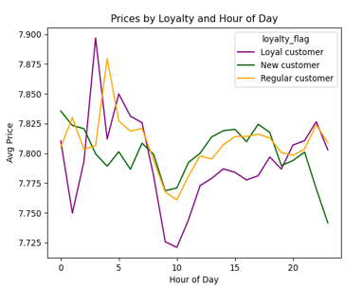
Question |  |  | Answer | Recommendation(s)
Key Question 5b | Are there differences in ordering habits based on a customer’s loyalty status? |  | Customers per region: The south is the leading region of the four main ones in frequent, non-frequent and regular customers. Ordering habits are similar in all regions with reference to most frequent daily order hour, day of the week, and most popular products. However, it is worth pointing out that 'loyal' customers in particular experience a huge reduction in spend from around 6a.m. until 10a.m. Contrarily, 'new' customers expenditures are relatively steady throughout most of the day, but will drop in the evening. | Implementing a "loyalty rewards" program tailored for customers classified as "loyal customers" is an excellent strategy to boost customer loyalty. To optimize the effectiveness of these rewards, consider offering targeted discounts during the hours of 10 am to 1 pm. This approach strategically aims to stimulate purchases among loyal customers during historically quieter hours of the day, creating a mutually beneficial scenario where customers enjoy discounts, and your business increases sales during specific time windows. This focused initiative can lead to stronger customer retention and higher sales during traditionally slower periods.

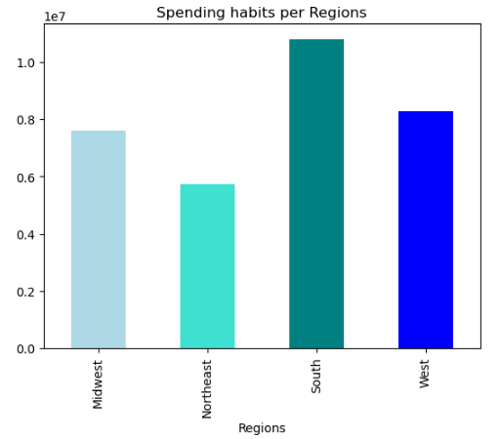
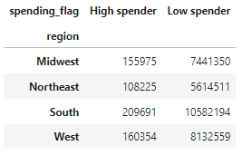
Question |  |  | Answer | Recommendation(s)
Key Question 5c | Are there differences in ordering habits based on a customer’s region? |  | Once again, customers from the South region consistently hold the top position across all categories such as highest frequent/non-frequent/Regular customers. The spending habits across the regions are similarly proportioned with majority of customers being low spenders. | Multiple strategies can be taken to boost sales in geographic regions: The first strategy can be to promote more high-range products in the south to increase the number of high spenders in the largest market. Another approach can be to target the West as they are the second larget market, to boost orders.

Question |  |  | Answer | Recommendation(s)
Key Question 5d | 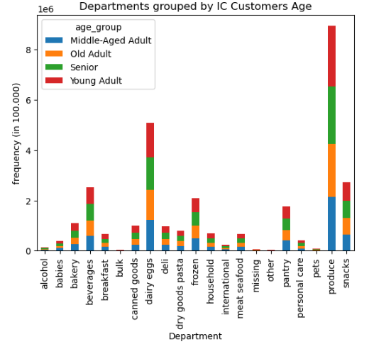 Is there a connection between age and family status in terms of ordering habits? |  | 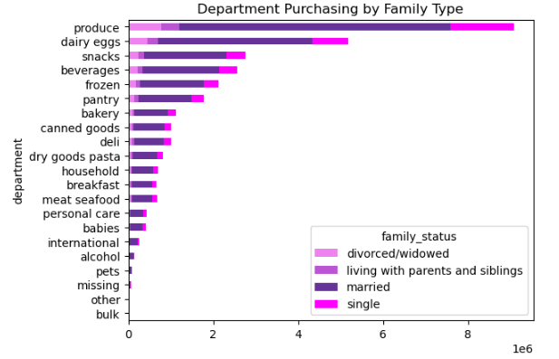 Young adults and senior customers are the most frequently ordering age groups, however married customers make up the majority of the mid-range age groups and represent the most frequently ordering family status group. | Focusing marketing efforts on married middle-aged customers is a sound strategy for targeting a significant portion of Instacart's customer base. However, to broaden the reach and tap into other customer segments, it's advisable to consider additional marketing efforts that specifically target two distinct groups: 1. Single Customers, Ages 18 to 29: This demographic represents a younger audience with different shopping preferences and needs. By directing marketing efforts towards this group, Instacart can engage with a customer segment that may not be covered by marketing geared towards married customers ages 30 to 59. 2. Seniors: Targeting seniors is another valuable opportunity. This demographic often has unique shopping requirements, such as convenience and accessibility, and may appreciate tailored marketing campaigns that address their specific needs. By diversifying marketing strategies to include these segments, Instacart can effectively reach a broader range of customers and address their varying preferences and requirements.

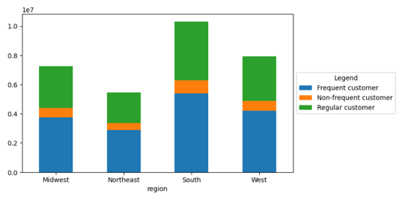
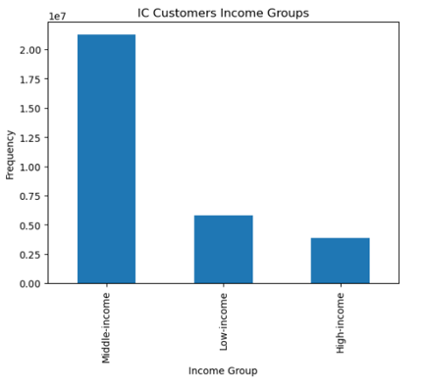
Question |  |  | Answer | Recommendation(s)
Key Question 5e | 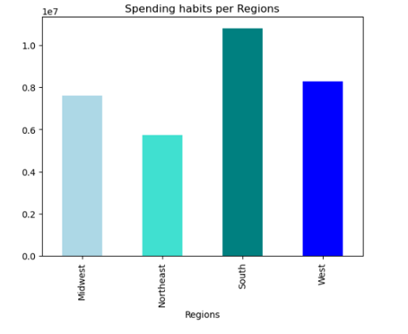 What different classifications does the demographic information suggest? Age? Income? Certain types of goods? Family status? |  | 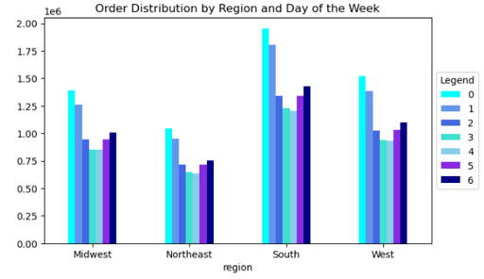 The ordering patterns over the course of a week and by department consistently align with the broader trends observed within age and family status groupings in the various demographic regions. Furthermore, the general customer ordering timing patterns remain consistent when examining the relationship between the day of the week and the time of day for placing orders, as previously specified. This indicates that these ordering patterns are reliable and can be used for strategic planning and decision-making. | Conducting an in-depth analysis on the segment of married customers aged 30-59, which constitutes the largest subset of your customer base, is indeed a valuable endeavor. To gain deeper insights into this group's shopping behavior and preferences, consider implementing the following strategies: 1. Customer Questionnaires: Design comprehensive questionnaires tailored to this specific demographic. Inquire about their shopping habits, preferred order times, opinions on pricing, reasons for choosing Instacart, and any pain points they might have encountered. 2. Surveys and Interviews: Conduct surveys and interviews to gather qualitative data. Interviews can provide nuanced insights into the motivations and attitudes of this customer segment. 3. Feedback Collection: Encourage married customers aged 30-59 to provide feedback after each purchase. Analyze their comments and suggestions to identify areas for improvement. 4. Segmentation: Further segment this group based on factors such as location, household size, and income to discover any variations within the demographic. 5. Competitor Benchmarking: Compare Instacart's offerings and pricing to competitors to gauge how well they meet the needs and expectations of this specific demographic. By gathering and analyzing this data, your marketing team can develop targeted strategies to better cater to the preferences and requirements of married customers aged 30-59, enhancing their overall shopping experience and potentially attracting even more customers from this demographic.

Question |  |  | Answer | Recommendation(s)
Key Question 5f | What differences can you find in ordering habits of different customer profiles? Consider the price of orders, the frequency of orders, the products customers are ordering, and anything else you can think of. | 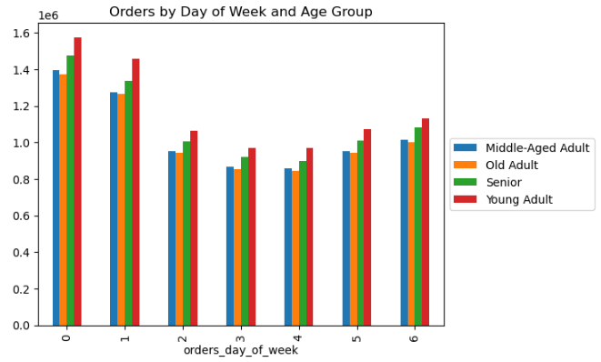 | 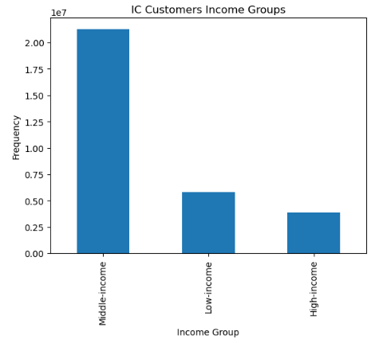 Price of Order Observations: The average price of orders across family status groups is very consistent despite married customers making up the large majority of this demographic`s groupings distribbution. Despite being the highest earning income grouping, 'High Income' customers spend much less than 'Middle Income' customers per order. With a difference in proportion between customers with and without babies in their household, each customer's group price per order is approximately the same. Order Frequency Observations: In general, the cadence of each demographic group's ordering followed overall trends (see 'Orders by Day of Week and Age Group' for instance) The overall frequency of a demographic's groups orders align with the distribution of that group. Products Ordered Observations: The category 'Produce' is the most popular one across and within demographic groupings. | Investing in advanced data mining and analysis is a smart move to identify and target even more specific subgroups of customers. By leveraging data-driven insights, you can tailor your marketing efforts to a granular level. Here are steps you can take: 1. Data Mining: Collect and analyze customer data to identify patterns, preferences, and behaviors. Look for correlations between products, brands, and customer demographics. 2. Segmentation: Segment your customer base into smaller, more specific groups based on their purchasing habits, such as those who regularly buy a particular brand of pet food. 3. Recommendation Systems: Implement recommendation algorithms that suggest related products to customers based on their past purchases. For example, suggest complementary products to those who regularly buy a specific brand of pet food. 4. Personalized Marketing: Create personalized marketing campaigns for these subgroups, emphasizing products that align with their preferences and buying history. 5. Feedback Loop: Encourage customer feedback and reviews to refine your recommendations and improve the customer experience. By utilizing data-driven insights and tailoring your marketing efforts to specific customer subgroups, you can not only increase order volume but also enhance customer satisfaction and loyalty by providing relevant product recommendations and offers.

